Sheet1
Image | Name | Age | Gender |  | Personlal Traits
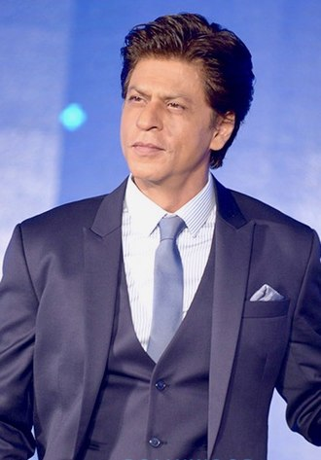
 | Shahrukh Khan | 54 | Male |  | D.O.B d Nov 1965 |  | 2nd Nov 1965

 |  |  |  |  | Signature

 |  |  |  |  | Height |  | 1.69 m

 |  |  |  |  | Weight |  | 75 Kg

 |  |  |  |  | Complexion |  | Light Brown

 |  |  |  |  | Face Shape |  | Square

 |  |  |  |  | Hair Colour |  | Black

 |  |  |  |  | Body Measurements |  | Chest | 40 inches

 |  |  |  |  |  |  | Waist | 32 inches

 |  |  |  |  |  |  | Biceps | 14 inches

 |  |  |  |  | Eye Colour |  | Dark Brown

 |  |  |  |  | Religion |  | Muslim

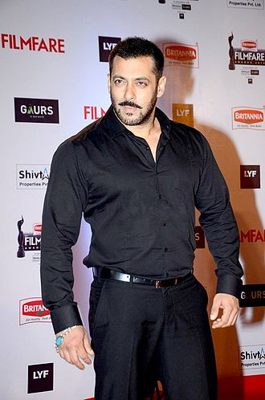
 | Salman Khan | 54 | Male |  | D.O.B d Nov 1965 |  | 27 Dec Nov 1965

 |  |  |  |  | Signature

 |  |  |  |  | Height |  | 1.74 m

 |  |  |  |  | Weight |  | 88 Kg

 |  |  |  |  | Complexion |  | Light Brown

 |  |  |  |  | Face Shape |  | Oval

 |  |  |  |  | Hair Colour |  | Black

 |  |  |  |  | Body Measurements |  | Chest | 47 inches

 |  |  |  |  |  |  | Waist | 34 inches

 |  |  |  |  |  |  | Biceps | 17 inches

 |  |  |  |  | Eye Colour |  | Dark Brown

 |  |  |  |  | Religion |  | Muslim

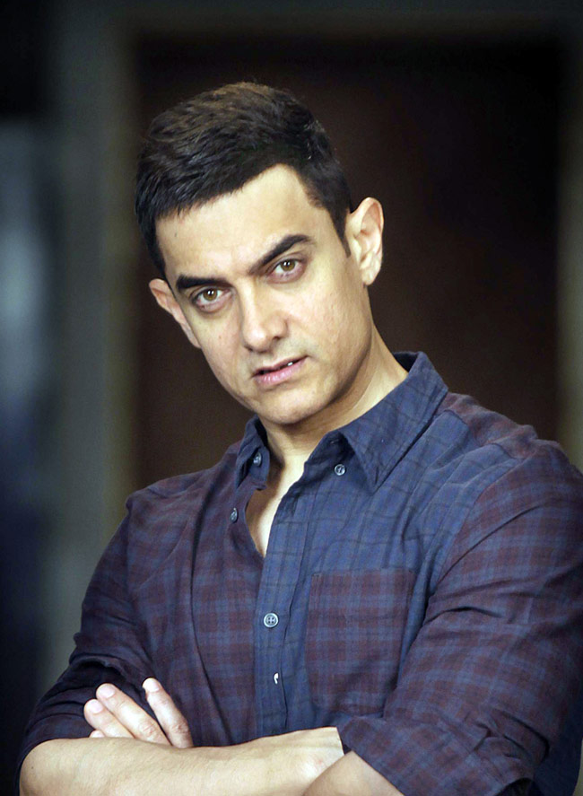
 | Aamir Khan | 55 | Male |  | D.O.B d Nov 1965 |  | 14th March 1965

 |  |  |  |  | Signature

 |  |  |  |  | Height |  | 1.63 m

 |  |  |  |  | Weight |  | 70 Kg

 |  |  |  |  | Complexion |  | Fair

 |  |  |  |  | Face Shape |  | Square

 |  |  |  |  | Hair Colour |  | Black

 |  |  |  |  | Body Measurements |  | Chest | 40 inches

 |  |  |  |  |  |  | Waist | 30 inches

 |  |  |  |  |  |  | Biceps | 13 inches

 |  |  |  |  | Eye Colour |  | Brown

 |  |  |  |  | Religion |  | Muslim


 | Akshay Kumar | 52 | Male
 |  |  |  |  | D.O.B d Nov 1965 |  | 9th Sep 1967

 |  |  |  |  | Signature

 |  |  |  |  | Height |  | 1.80 m

 |  |  |  |  | Weight |  | 75 Kg

 |  |  |  |  | Complexion |  | Light Brown

 |  |  |  |  | Face Shape |  | Square

 |  |  |  |  | Hair Colour |  | Black

 |  |  |  |  | Body Measurements |  | Chest | 44 inches

 |  |  |  |  |  |  | Waist | 35 inches

 |  |  |  |  |  |  | Biceps | 15 inches

 |  |  |  |  | Eye Colour |  | Dark Brown

 |  |  |  |  | Religion |  | Sikhism

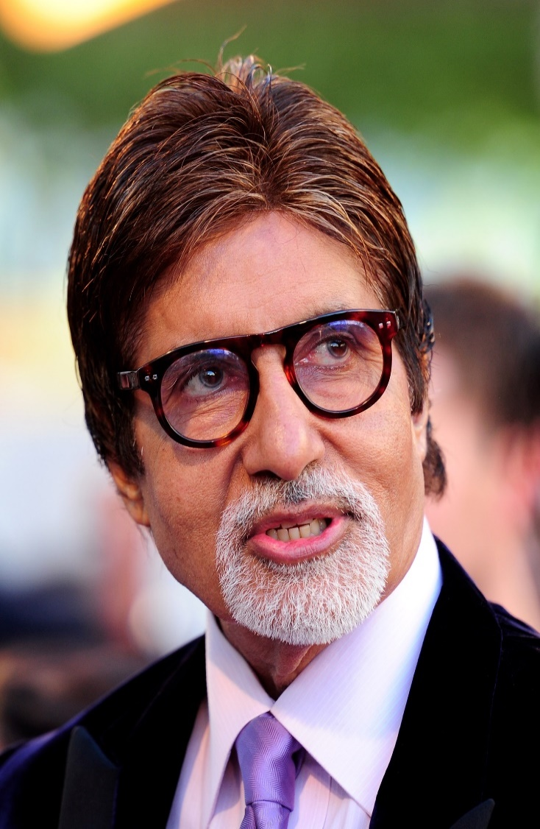
 | Amitabh Bachchan | 77 | Male |  | D.O.B d Nov 1965 |  | 11th Oct 1942

 |  |  |  |  | Signature

 |  |  |  |  | Height |  | 1.83 m

 |  |  |  |  | Weight |  | 80 Kg

 |  |  |  |  | Complexion |  | Light Brown

 |  |  |  |  | Face Shape |  | Oval

 |  |  |  |  | Hair Colour |  | Mix Shades

 |  |  |  |  | Body Measurements |  | Chest | 40 inches

 |  |  |  |  |  |  | Waist | 34 inches

 |  |  |  |  |  |  | Biceps | 12 inches

 |  |  |  |  | Eye Colour |  | Dark Brown

 |  |  |  |  | Religion |  | Hinduism

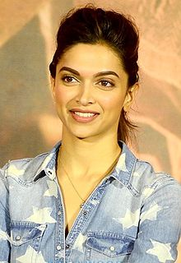
 | Deepika Padukone | 34 | Female |  | D.O.B |  | 5th Jan 1986

 |  |  |  |  | Signature

 |  |  |  |  | Height |  | 1.74m

 |  |  |  |  | Weight |  | 55 kg

 |  |  |  |  | Hair Colour |  | Brown

 |  |  |  |  | Body Measurements |  | Chest | 34 inches

 |  |  |  |  |  |  | Waist | 26 inches

 |  |  |  |  |  |  | Hips | 34 inches

 |  |  |  |  | Eye Colour |  | Black

 |  |  |  |  | Complexion |  | Fair

 |  |  |  |  | Religion |  | Hinduism

 |  |  |  |  | Face Shape |  | Heart shaped

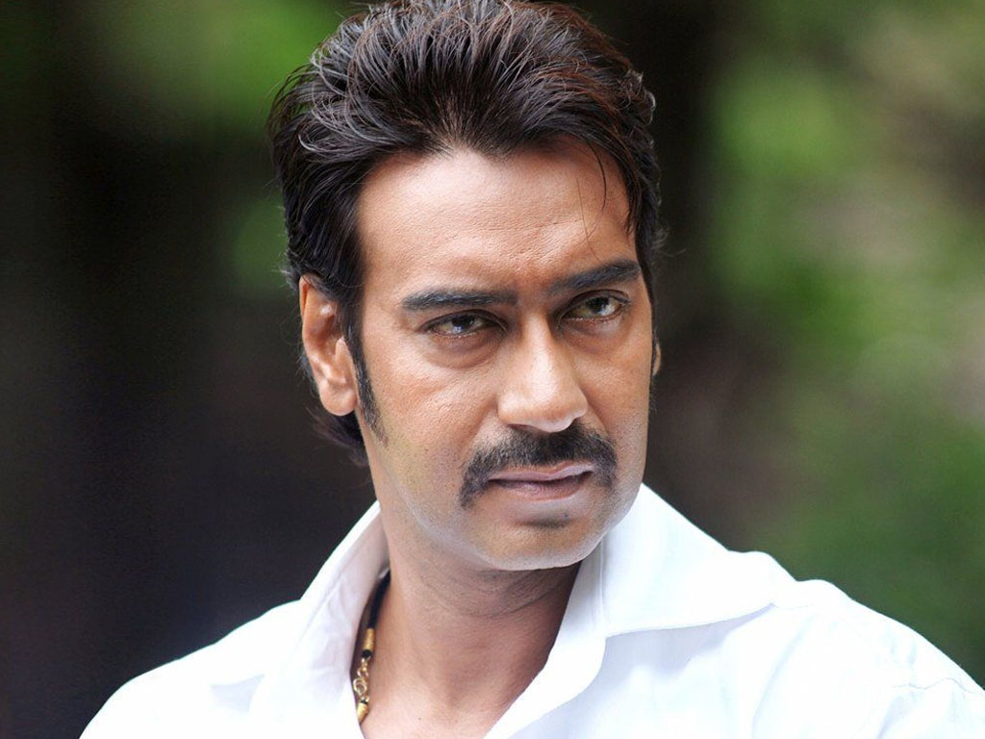
 | Ajay Devgn | 51 | Male |  | D.O.B d Nov 1965 |  | 2nd April 1969

 |  |  |  |  | Signature

 |  |  |  |  | Height |  | 1.75 m

 |  |  |  |  | Weight |  | 80 Kg

 |  |  |  |  | Complexion |  | Dark

 |  |  |  |  | Face Shape |  | Square

 |  |  |  |  | Hair Colour |  | Black

 |  |  |  | Body Measurements |  |  | Chest | 43 inches

 |  |  |  |  |  |  | Waist | 34 inches

 |  |  |  |  |  |  | Biceps | 15 inches

 |  |  |  |  | Eye Colour |  | Black

 |  |  |  |  | Religion |  | Hinduism

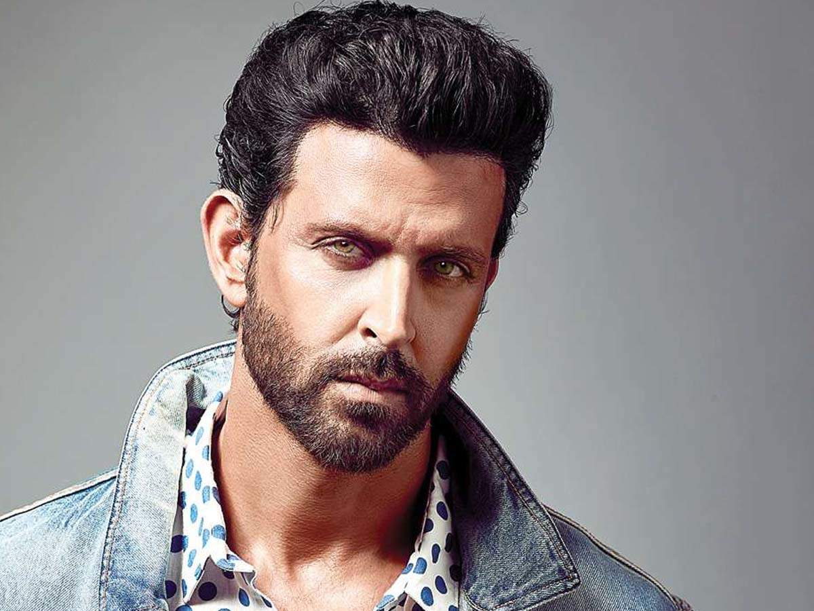
 | Hrithik Roshan | 46 | Male |  | D.O.B d Nov 1965 |  | 10th Jan 1974

 |  |  |  |  | Signature

 |  |  |  |  | Height |  | 1.80 m

 |  |  |  |  | Weight |  | 85 Kg

 |  |  |  |  | Complexion |  | Dark

 |  |  |  |  | Face Shape |  | Long

 |  |  |  |  | Hair Colour |  | Black

 |  |  |  | Body Measurements |  |  | Chest | 45 inches

 |  |  |  |  |  |  | Waist | 28 inches

 |  |  |  |  |  |  | Biceps | 17.5 inches

 |  |  |  |  | Eye Colour |  | Hazel Green

 |  |  |  |  | Religion |  | Hinduism

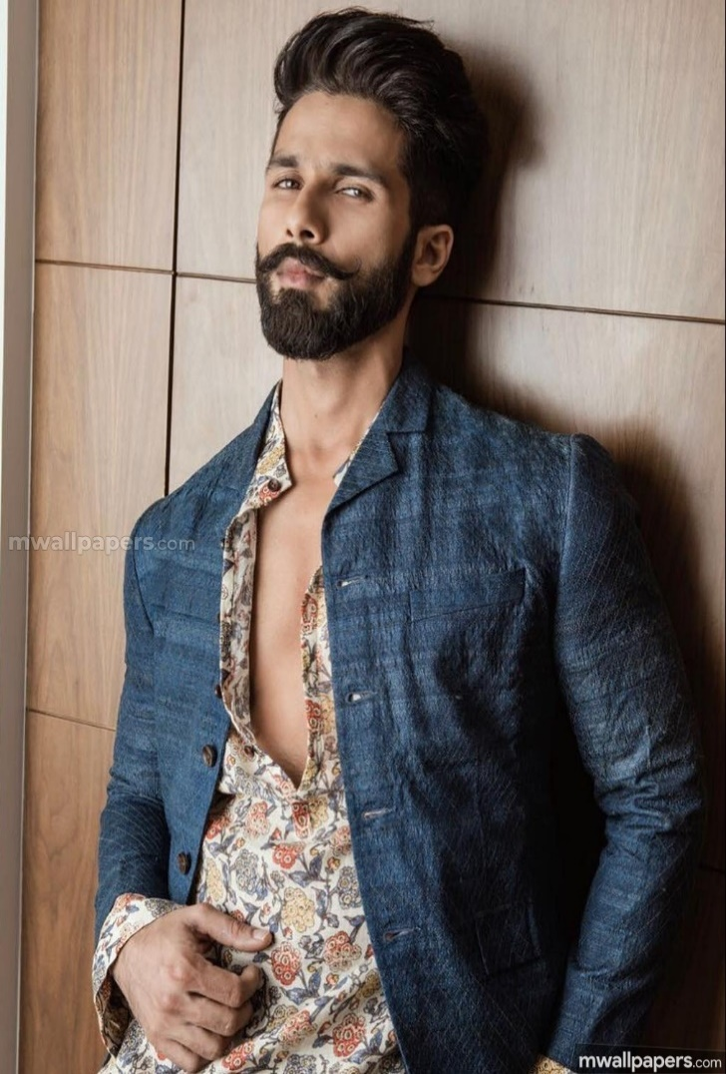
 | Shahid Kapoor | 39 | Male |  | D.O.B d Nov 1965 |  | 25th Jan 1981

 |  |  |  |  | Signature

 |  |  |  |  | Height |  | 1.67 m

 |  |  |  |  | Weight |  | 70 Kg

 |  |  |  |  | Complexion |  | Fair

 |  |  |  |  | Face Shape |  | Pear

 |  |  |  |  | Hair Colour |  | Black

 |  |  |  | Body Measurements |  |  | Chest | 42 inches

 |  |  |  |  |  |  | Waist | 30 inches

 |  |  |  |  |  |  | Biceps | 15 inches

 |  |  |  |  | Eye Colour |  | Black

 |  |  |  |  | Religion |  | Hinduism

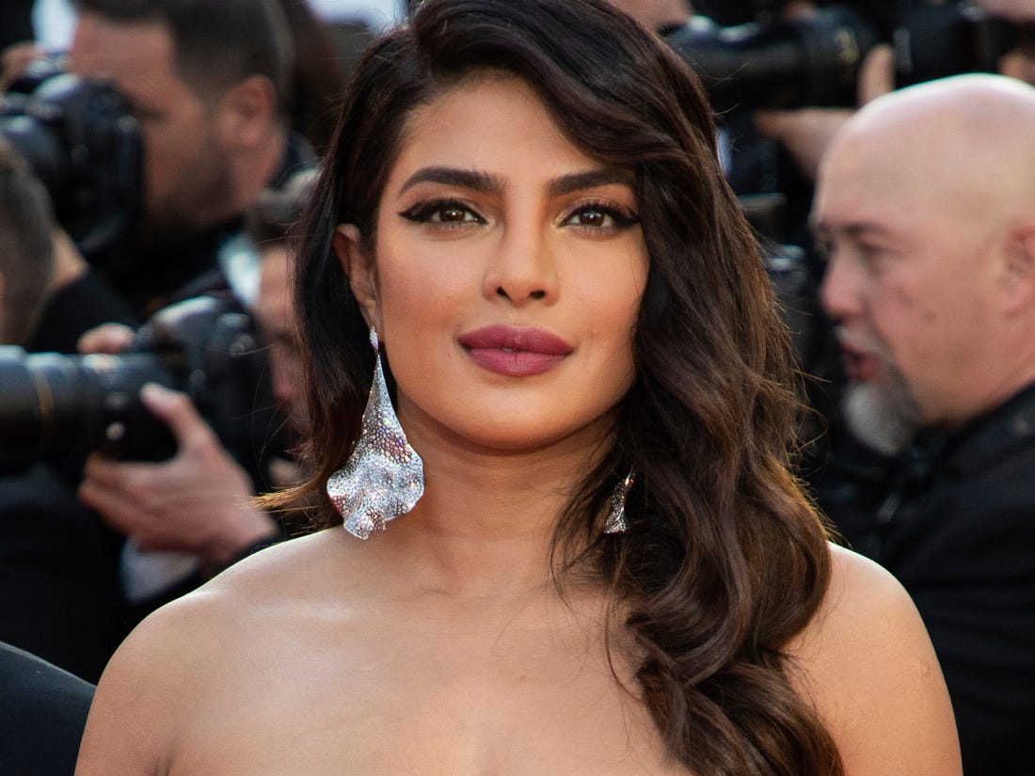
 | Priyanka Chopra | 37 | Female |  | D.O.B |  | 18th July 1982

 |  |  |  |  | Signature

 |  |  |  |  | Height |  | 1.65m

 |  |  |  |  | Weight |  | 55 kg

 |  |  |  |  | Hair Colour |  | Dark Brown

 |  |  |  |  | Body Measurements |  | Chest | 35 inches

 |  |  |  |  |  |  | Waist | 28 inches

 |  |  |  |  |  |  | Hips | 35 inches

 |  |  |  |  | Eye Colour |  | Dark Brown

 |  |  |  |  | Complexion |  | Brown

 |  |  |  |  | Religion |  | Hinduism

 |  |  |  |  | Face Shape |  | Round

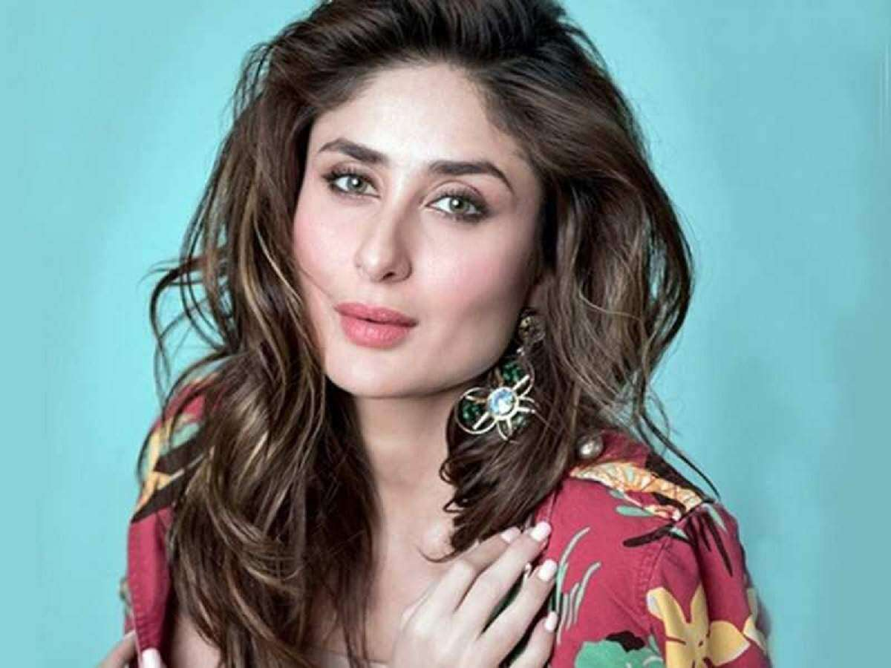
 |  |  |  |  | D.O.B |  | 21st Sep 1980
 | Kareena Kapoor | 39 | Female
 |  |  |  |  | Signature

 |  |  |  |  | Height |  | 1.63m

 |  |  |  |  | Weight |  | 55 kg

 |  |  |  |  | Hair Colour |  | Brown

 |  |  |  |  | Body Measurements |  | Chest | 36 inches

 |  |  |  |  |  |  | Waist | 24 inches

 |  |  |  |  |  |  | Hips | 34 inches

 |  |  |  |  | Eye Colour |  | Hazeel Green

 |  |  |  |  | Complexion |  | Fair

 |  |  |  |  | Religion |  | Hinduism

 |  |  |  |  | Face Shape |  | Square

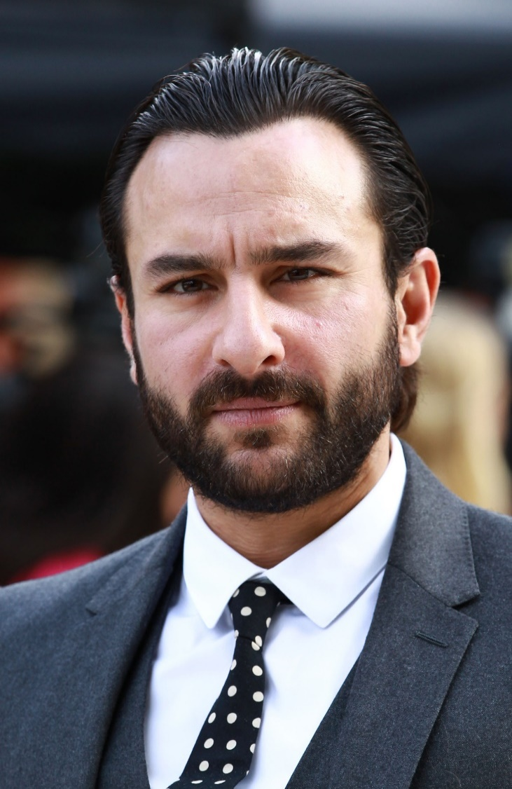
 |  |  |  |  |  | D.O.B |  | 16th Aug 1980
 | Saif Ali Khan | 49 | Male
 |  |  |  |  |  | Signature

 |  |  |  |  |  | Height |  | 1.70m

 |  |  |  |  |  | Weight |  | 80 kg

 |  |  |  |  |  | Hair Colour |  | Black

 |  |  |  |  | Body Measurements |  |  | Chest | 42 inches

 |  |  |  |  |  |  |  | Waist | 34 inches

 |  |  |  |  |  |  |  | Biceps | 17 inches

 |  |  |  |  |  | Eye Colour |  | Brown

 |  |  |  |  |  | Complexion |  | Fair

 |  |  |  |  |  | Religion |  | Muslim

 |  |  |  |  |  | Face Shape |  | Heart Shape

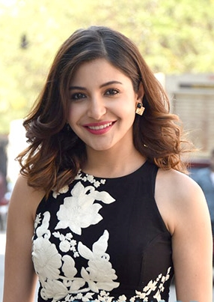
 | Anushka Sharma | 31 | Female |  |  | D.O.B |  | 1-May-88

 |  |  |  |  |  | Signature

 |  |  |  |  |  | Height |  | 1.68m

 |  |  |  |  |  | Weight |  | 55 kg

 |  |  |  |  |  | Hair Colour |  | Brown

 |  |  |  |  | Body Measurements |  |  | Chest | 34 inches

 |  |  |  |  |  |  |  | Waist | 26 inches

 |  |  |  |  |  |  |  | Hips | 34 inches

 |  |  |  |  |  | Eye Colour |  | Hazeel Brown

 |  |  |  |  |  | Complexion |  | Fair

 |  |  |  |  |  | Religion |  | Hinduism

 |  |  |  |  |  | Face Shape |  | Square

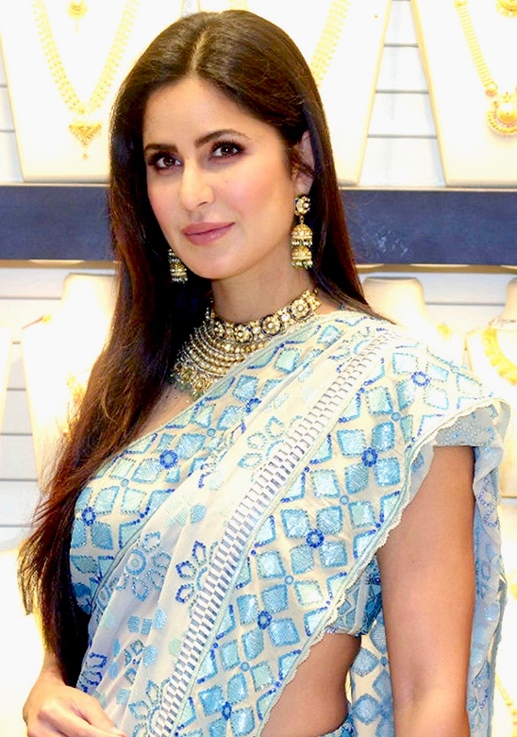
 | Katrina Kaif | 36 | Female |  |  | D.O.B |  | 16th July 1986

 |  |  |  |  |  | Signature

 |  |  |  |  |  | Height |  | 1.68m

 |  |  |  |  |  | Weight |  | 55 kg

 |  |  |  |  |  | Hair Colour |  | Brown

 |  |  |  |  | Body Measurements |  |  | Chest | 34 inches

 |  |  |  |  |  |  |  | Waist | 26 inches

 |  |  |  |  |  |  |  | Hips | 34 inches

 |  |  |  |  |  | Eye Colour |  | Brown

 |  |  |  |  |  | Complexion |  | Fair

 |  |  |  |  |  | Religion |  | Islam

 |  |  |  |  |  | Face Shape |  | Elongated shape

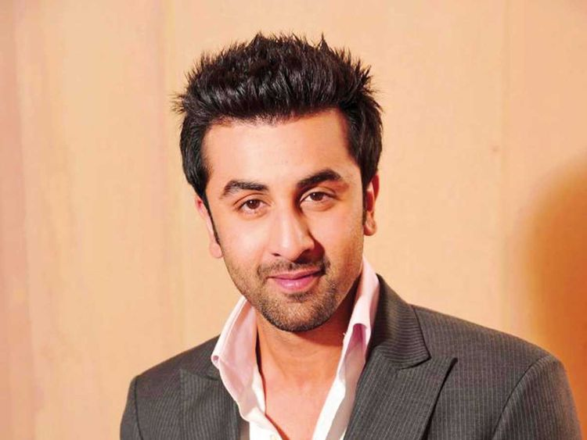
 | Ranbir Kapoor | 37 | Male |  |  | D.O.B |  | 28th Sep 1982

 |  |  |  |  |  | Signature

 |  |  |  |  |  | Height |  | 1.81m

 |  |  |  |  |  | Weight |  | 78 kg

 |  |  |  |  |  | Hair Colour |  | Black

 |  |  |  |  | Body Measurements |  |  | Chest | 43 inches

 |  |  |  |  |  |  |  | Waist | 34 inches

 |  |  |  |  |  |  |  | Biceps | 15 inches

 |  |  |  |  |  | Eye Colour |  | Dark Brown

 |  |  |  |  |  | Complexion |  | Fair

 |  |  |  |  |  | Religion |  | Hinduism

 |  |  |  |  |  | Face Shape |  | Oblong

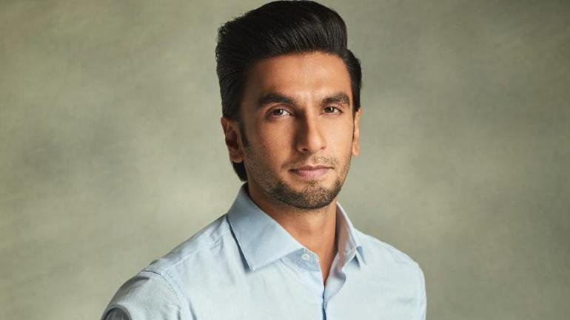
 | Ranveer Singh | 34 | Male |  |  | D.O.B |  | 6th July 1985

 |  |  |  |  |  | Signature

 |  |  |  |  |  | Height |  | 1.78m

 |  |  |  |  |  | Weight |  | 75 kg

 |  |  |  |  |  | Hair Colour |  | Black

 |  |  |  |  | Body Measurements |  |  | Chest | 42 inches

 |  |  |  |  |  |  |  | Waist | 30 inches

 |  |  |  |  |  |  |  | Biceps | 16 inches

 |  |  |  |  |  | Eye Colour |  | Dark Brown

 |  |  |  |  |  | Complexion |  | Brown

 |  |  |  |  |  | Religion |  | Hinduism

 |  |  |  |  |  | Face Shape |  | Oval

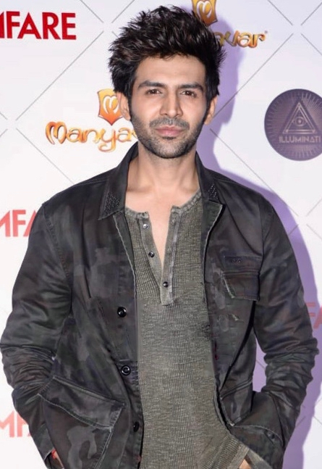
 | Kartik Aaryan | 29 | Male |  |  | D.O.B |  | 22nd Nov 1990

 |  |  |  |  |  | Signature

 |  |  |  |  |  | Height |  | 1.83 m

 |  |  |  |  |  | Weight |  | 75 kg

 |  |  |  |  |  | Hair Colour |  | Black

 |  |  |  |  | Body Measurements |  |  | Chest | 40 inches

 |  |  |  |  |  |  |  | Waist | 32 inches

 |  |  |  |  |  |  |  | Biceps | 16 inches

 |  |  |  |  |  | Eye Colour |  | Dark Brown

 |  |  |  |  |  | Complexion |  | Fair

 |  |  |  |  |  | Religion |  | Hinduism

 |  |  |  |  |  | Face Shape |  | Oval


 | Ayushmaan Khurana | 35 | Male |  |  | D.O.B |  | 14th Sep 1984

 |  |  |  |  |  | Signature

 |  |  |  |  |  | Height |  | 1.77 m

 |  |  |  |  |  | Weight |  | 70 kg

 |  |  |  |  |  | Hair Colour |  | Black

 |  |  |  |  | Body Measurements |  |  | Chest | 40 inches

 |  |  |  |  |  |  |  | Waist | 32 inches

 |  |  |  |  |  |  |  | Biceps | 12 inches

 |  |  |  |  |  | Eye Colour |  | Black

 |  |  |  |  |  | Complexion |  | Fair

 |  |  |  |  |  | Religion |  | Hinduism

 |  |  |  |  |  | Face Shape |  | Square

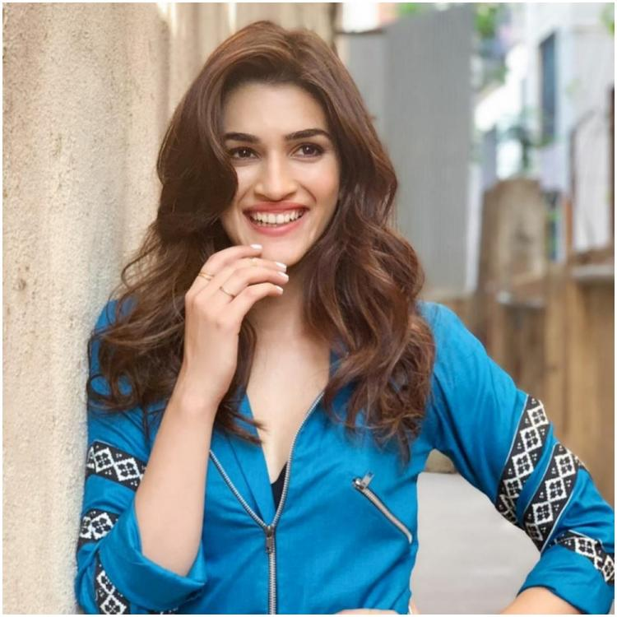
 |  |  |  |  |  | D.O.B |  | 27th July 1990
 | Kriti Sanon | 29 | Female
 |  |  |  |  |  | Signature

 |  |  |  |  |  | Height |  | 1.78m

 |  |  |  |  |  | Weight |  | 56 kg

 |  |  |  |  |  | Hair Colour |  | Black

 |  |  |  |  | Body Measurements |  |  | Chest | 33 inches

 |  |  |  |  |  |  |  | Waist | 27 inches

 |  |  |  |  |  |  |  | Hips | 34 inches

 |  |  |  |  |  | Eye Colour |  | Brown

 |  |  |  |  |  | Complexion |  | Fair

 |  |  |  |  |  | Religion |  | Hindu

 |  |  |  |  |  | Face Shape |  | Oblong

